Fuel+ EX
Top Tube Lengths
Eff TT - The TT length measured to the Effective (imaginary) ST angle
Meas TT - The Measureable TT length. Measured to the center of the ACTUAL ST Angle
Stand Over Heights
Stand-over numbers to be entered by Design Engineer after completition of all size assembly models.
Stand-Over Heights may be used to drive assy models based on DE's needs. Carbon and Alloy SO's may be different.
DRIVING DIMENSIONS
Dimensions in yellow highlighted boxes are the Driving Dimensions for the Geometry. Other dimensions are "Driven" and calculated. Driven vs Driving dimensions can be changed or swapped based on Design Engineer's needs.
SADDLE HEIGHTS
Size specific sadddle height has been determined based on fit data.
These average per size numbers should be kept for all MTB projects to ensure consistent Eff ST angle measurements.
Fork A-C to be checked against user spec dwgs. Fork Offset to be checked against user spec dwgs
Design Table for: Fuel+ EX
 | ST Length | Reach | Stack | Virtual TT | Eff TT | CS Length | HTA | HT Length | Saddle Heigh for Eff STA | Eff ST Angle | Actual ST Angle | BB Drop | BB Height | Standover - Alloy | Standover - Carbon | Wheelbase | Front Center | Fork A-C | Fork Offset | Trail | Travel R | Travel F
Small EX (29 rear wheel) | 370 | 430 | 624.4 | 561.9 | 559.2 | 443.5 | 64.5 | 110 | 665 | 78.1 | 72.60 | 35 | 338.5 | 753 | 753 | 1202.0 | 760.7 | 561 | 44 | 129.4 | 145 | 150
Small MX (stock) | 370 | 431 | 623.7 | 561.8 | 558.9 | 440.5 | 64.6 | 110 | 665 | 78.2 | 72.70 | 33.8 | 338.5 | 754 | 754 | 1200.2 | 760.7 | 561 | 44 | 128.7 | 150 | 150
Med | 400 | 460 | 624.4 | 595.1 | 589.2 | 443.5 | 64.5 | 110 | 700 | 77.8 | 72.60 | 35 | 338.5 | 746 | 746.6 | 1232.0 | 790.7 | 561 | 44 | 129.4 | 145 | 150
Large | 420 | 485 | 637.9 | 623.5 | 613.4 | 443.5 | 64.5 | 125 | 770 | 77.3 | 72.60 | 35 | 338.5 | 743 | 750 | 1258.5 | 822.1 | 561 | 44 | 129.4 | 145 | 150
XL | 455 | 510 | 651.5 | 661.6 | 651.2 | 447.0 | 64.5 | 140 | 800 | 76.9 | 72.60 | 35 | 338.5 | 753 | 755 | 1298.4 | 853.5 | 561 | 44 | 129.4 | 145 | 150
XXL | 475 | 530 | 665.0 | 690.8 | 680.4 | 452.0 | 64.5 | 155 | 830 | 76.4 | 72.60 | 35 | 338.5 | 754 | 764 | 1329.9 | 879.9 | 561 | 44 | 129.4 | 145 | 150

Fuel MX
Top Tube Lengths
Eff TT - The TT length measured to the Effective (imaginary) ST angle
Meas TT - The Measureable TT length. Measured to the center of the ACTUAL ST Angle
Stand Over Heights
Stand-over numbers to be entered by Design Engineer after completition of all size assembly models.
Stand-Over Heights may be used to drive assy models based on DE's needs. Carbon and Alloy SO's may be different.
DRIVING DIMENSIONS
Dimensions in yellow highlighted boxes are the Driving Dimensions for the Geometry. Other dimensions are "Driven" and calculated. Driven vs Driving dimensions can be changed or swapped based on Design Engineer's needs.
SADDLE HEIGHTS
Size specific sadddle height has been determined based on fit data.
These average per size numbers should be kept for all MTB projects to ensure consistent Eff ST angle measurements.
Fork A-C to be checked against user spec dwgs. Fork Offset to be checked against user spec dwgs
Design Table for: Fuel MX 150/160
 | ST Length | Reach | Stack | Virtual TT | Eff TT | CS Length | HTA | HT Length | Saddle Heigh for Eff STA | Eff ST Angle | Actual ST Angle | BB Drop | BB Height | Standover - Alloy | Standover - Carbon | Wheelbase | Front Center | Fork A-C | Fork Offset | Trail | Travel R | Travel F
Small | 370 | 426.32869914 | 613.4 | 553.6 | 549.5 | 433.9424241 | 64.2 | 95 | 665 | 78.3 | 72.3 | 13 / 30.5 | 343.0 | 752 | 745 | 1191.4 | 758.2 | 571.0 | 44 | 132.0 | 150 | 160
Med | 400 | 456.42030116 | 627.0 | 589.8 | 583.7 | 433.92337642 | 64.2 | 110 | 700 | 77.5 | 72.3 | 13 / 30.5 | 343.0 | 749 | 747 | 1227.9 | 794.6 | 571.0 | 44 | 131.9 | 150 | 160
Large | 420 | 481.50398504 | 640.6 | 628.0 | 618.0 | 438.91881332 | 64.2 | 125 | 770 | 77.0 | 72.3 | 13 / 30.5 | 343.0 | 752 | 754 | 1264.3 | 826.0 | 571.0 | 44 | 131.8 | 150 | 160
XL | 455 | 506.58060539 | 654.1 | 662.4 | 652.3 | 443.9155115 | 64.2 | 140 | 800 | 76.6 | 72.3 | 13 / 30.5 | 343.0 | 763 | 760 | 1300.8 | 857.5 | 571.0 | 44 | 131.7 | 150 | 160
XXL | 475 | 526.63234654 | 667.7 | 691.6 | 681.5 | 448.91520784 | 64.2 | 155 | 830 | 76.1 | 72.3 | 13 / 30.5 | 343.0 | -- | 769 | 1332.3 | 883.9 | 571.0 | 44 | 131.6 | 150 | 160

Fuel+ MX
Top Tube Lengths
Eff TT - The TT length measured to the Effective (imaginary) ST angle
Meas TT - The Measureable TT length. Measured to the center of the ACTUAL ST Angle
Top Tube Lengths
Eff TT - The TT length measured to the Effective (imaginary) ST angle
Meas TT - The Measureable TT length. Measured to the center of the ACTUAL ST Angle
Stand Over Heights
Stand-over numbers to be entered by Design Engineer after completition of all size assembly models.
Stand-Over Heights may be used to drive assy models based on DE's needs. Carbon and Alloy SO's may be different.
Stand Over Heights
Stand-over numbers to be entered by Design Engineer after completition of all size assembly models.
Stand-Over Heights may be used to drive assy models based on DE's needs. Carbon and Alloy SO's may be different.
DRIVING DIMENSIONS
Dimensions in yellow highlighted boxes are the Driving Dimensions for the Geometry. Other dimensions are "Driven" and calculated. Driven vs Driving dimensions can be changed or swapped based on Design Engineer's needs.
DRIVING DIMENSIONS
Dimensions in yellow highlighted boxes are the Driving Dimensions for the Geometry. Other dimensions are "Driven" and calculated. Driven vs Driving dimensions can be changed or swapped based on Design Engineer's needs.
SADDLE HEIGHTS
Size specific sadddle height has been determined based on fit data.
These average per size numbers should be kept for all MTB projects to ensure consistent Eff ST angle measurements.
SADDLE HEIGHTS
Size specific sadddle height has been determined based on fit data.
These average per size numbers should be kept for all MTB projects to ensure consistent Eff ST angle measurements.
Fork A-C to be checked against user spec dwgs. Fork Offset to be checked against user spec dwgs
Fork A-C to be checked against user spec dwgs. Fork Offset to be checked against user spec dwgs
Design Table for: Fuel+ MX 150/160
 | ST Length | Reach | Stack | Virtual TT | Eff TT | CS Length | HTA | HT Length | Saddle Heigh for Eff STA | Eff ST Angle | Actual ST Angle | BB Drop | BB Height | Standover - Alloy | Standover - Carbon | Wheelbase | Front Center | Fork A-C | Fork Offset | Trail | Travel R | Travel F
Small | 370 | 426.3 | 626.9 | 562.6 | 560.2 | 440.5 | 64.2 | 110 | 665 | 77.7 | 72.3 | 13 / 30.5 | 343 | 758 | 758.08239258 | 1204.4 | 764.6 | 571 | 44 | 132.0 | 150 | 160
Med | 400 | 456.4 | 627.0 | 595.8 | 590.2 | 440.4 | 64.2 | 110 | 700 | 77.5 | 72.3 | 13 / 30.5 | 343 | 751 | 751.66084945 | 1234.4 | 794.6 | 571 | 44 | 131.9 | 150 | 160
Large | 420 | 481.5 | 640.6 | 629.3 | 619.5 | 440.4 | 64.2 | 125 | 770 | 77.0 | 72.3 | 13 / 30.5 | 343 | 748 | 755.04299429 | 1265.8 | 826.0 | 571 | 44 | 131.8 | 150 | 160
XL | 455 | 506.6 | 654.1 | 662.4 | 652.3 | 443.9 | 64.2 | 140 | 800 | 76.6 | 72.3 | 13 / 30.5 | 343 | 758 | 759 | 1300.8 | 857.5 | 571 | 44 | 131.7 | 150 | 160
XXL | 475 | 526.6 | 667.7 | 691.6 | 681.5 | 448.9 | 64.2 | 155 | 830 | 76.1 | 72.3 | 13 / 30.5 | 343 | -- | 768.99994988 | 1332.3 | 883.9 | 571 | 44 | 131.6 | 150 | 160

Fuel LX
Top Tube Lengths
Eff TT - The TT length measured to the Effective (imaginary) ST angle
Meas TT - The Measureable TT length. Measured to the center of the ACTUAL ST Angle
Stand Over Heights
Stand-over numbers to be entered by Design Engineer after completition of all size assembly models.
Stand-Over Heights may be used to drive assy models based on DE's needs. Carbon and Alloy SO's may be different.
DRIVING DIMENSIONS
Dimensions in yellow highlighted boxes are the Driving Dimensions for the Geometry. Other dimensions are "Driven" and calculated. Driven vs Driving dimensions can be changed or swapped based on Design Engineer's needs.
SADDLE HEIGHTS
Size specific sadddle height has been determined based on fit data.
These average per size numbers should be kept for all MTB projects to ensure consistent Eff ST angle measurements.
Fork A-C to be checked against user spec dwgs. Fork Offset to be checked against user spec dwgs
Design Table for: Fuel LX 160/170 (Zeb or 38)
 | ST Length | Reach | Stack | Virtual TT | Eff TT | CS Length | HTA | HT Length | Saddle Heigh for Eff STA | Eff ST Angle | Actual ST Angle | BB Drop | BB Height | Standover - Alloy | Standover - Carbon | Wheelbase | Front Center | Fork A-C | Fork Offset | Trail | Travel R | Travel F
Small | 370 | 418.0 | 619.2 | 555.3 | 551.9 | 437.0 | 63.4 | 95 | 665 | 77.5 | 71.5 | 26.5 | 347.0 | 757.5 | 750.5 | 1200.4 | 764.7 | 587 | 44 | 138.0 | 160 | 170
Med | 400 | 448.1 | 633.0 | 591.5 | 586.3 | 437.0 | 63.4 | 110 | 700 | 77.2 | 71.5 | 26.7 | 346.8 | 754.2 | 752.2 | 1236.9 | 801.2 | 587 | 44 | 137.7 | 160 | 170
Large | 420 | 473.2 | 646.8 | 629.9 | 620.6 | 442.0 | 63.4 | 125 | 770 | 76.4 | 71.5 | 26.9 | 346.6 | 756.9 | 758.9 | 1273.4 | 832.6 | 587 | 44 | 137.5 | 160 | 170
XL | 455 | 498.2 | 660.5 | 664.5 | 655.0 | 447.0 | 63.5 | 140 | 800 | 75.9 | 71.6 | 27.0 | 346.5 | 767.6 | 764.6 | 1309.8 | 864.1 | 587 | 44 | 137.3 | 160 | 170
XXL | 475 | 518.3 | 674.2 | 693.8 | 684.3 | 452.0 | 63.5 | 155 | 830 | 75.4 | 71.6 | 27.1 | 346.4 | 609.4 | 773.4 | 1341.3 | 890.5 | 587 | 44 | 137.1 | 160 | 170

Fuel+ LX
Top Tube Lengths
Eff TT - The TT length measured to the Effective (imaginary) ST angle
Meas TT - The Measureable TT length. Measured to the center of the ACTUAL ST Angle
Stand Over Heights
Stand-over numbers to be entered by Design Engineer after completition of all size assembly models.
Stand-Over Heights may be used to drive assy models based on DE's needs. Carbon and Alloy SO's may be different.
DRIVING DIMENSIONS
Dimensions in yellow highlighted boxes are the Driving Dimensions for the Geometry. Other dimensions are "Driven" and calculated. Driven vs Driving dimensions can be changed or swapped based on Design Engineer's needs.
SADDLE HEIGHTS
Size specific sadddle height has been determined based on fit data.
These average per size numbers should be kept for all MTB projects to ensure consistent Eff ST angle measurements.
Fork A-C to be checked against user spec dwgs. Fork Offset to be checked against user spec dwgs
Design Table for: Fuel+ LX 160/170 (Zeb or 38)
 | ST Length | Reach | Stack | Virtual TT | Eff TT | CS Length | HTA | HT Length | Saddle Heigh for Eff STA | Eff ST Angle | Actual ST Angle | BB Drop | BB Height | Standover - Alloy | Standover - Carbon | Wheelbase | Front Center | Fork A-C | Fork Offset | Trail | Travel R | Travel F
Small | 370 | 417.8 | 632.6 | 564.3 | 562.7 | 443.5 | 63.4 | 110 | 665 | 77.0 | 71.5 | 26.4 | 347.1 | 763.3 | 763.3 | 1213.4 | 771.2 | 587 | 44 | 137.9 | 160 | 170
Med | 400 | 448.1 | 633.0 | 597.6 | 592.8 | 443.5 | 63.4 | 110 | 700 | 76.7 | 71.5 | 26.6 | 346.9 | 756.1 | 756.7 | 1243.4 | 801.2 | 587 | 44 | 137.7 | 160 | 170
Large | 420 | 473.2 | 646.8 | 631.2 | 622.1 | 443.5 | 63.4 | 125 | 770 | 76.3 | 71.5 | 26.9 | 346.6 | 752.9 | 759.9 | 1274.9 | 832.6 | 587 | 44 | 137.5 | 160 | 170
XL | 455 | 498.2 | 660.5 | 664.5 | 655.0 | 447.0 | 63.5 | 140 | 800 | 75.9 | 71.6 | 27.0 | 346.5 | 762.6 | 763.6 | 1309.8 | 864.1 | 587 | 44 | 137.3 | 160 | 170
XXL | 475 | 518.3 | 674.2 | 693.8 | 684.3 | 452.0 | 63.5 | 155 | 830 | 75.4 | 71.6 | 27.1 | 346.4 | 609.4 | 773.4 | 1341.3 | 890.5 | 587 | 44 | 137.1 | 160 | 170

Geo Key
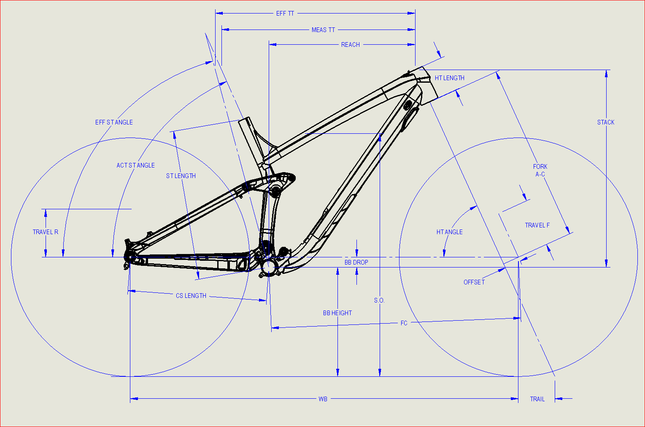
Virt TT
Eff TT
ST Length | Seat Tube Length
REACH | Horizontal Reach BB to HT Top Center
STACK | Vertical Height BB to Head Tube Center
EFF TT | Effective Top Tube Length
MEAS TT | Measureable Top Tube Length
CS LENGTH | Chain Stay Length
HTA | Head Tube Angle
HT LENGTH | Head Tube Length
EFF ST ANGLE | Effective Seat Tube Angle (at avg height)
ACT ST ANGLE | Actual Seat Tube Angle
BB DROP | Bottom Bracket Drop from Axles
BB HEIGHT | Bottom Bracket Height from Ground
SO ALLOY | Stand-Over Alloy Models
SO CARBON | Stand-Over Carbon Models
WB | Wheel Base
FORK A-C | Fork Axle-to-Crown Length
OFFSET | Fork Rake or Axle Offset
TRAIL | Trail
TRAVEL R | Travel Rear (vertical)
TRAVEL F | Travel Front (Total along fork axis)

